Sheet3
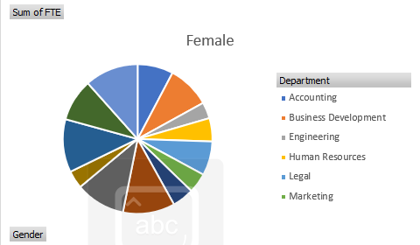
Sum of FTE | Column Labels
Row Labels | Female | Male | (blank) | Grand Total
Accounting | 6.6 | 8.9 | 0.9 | 16.4
Business Development | 7.9 | 12 |  | 19.9
Engineering | 3 | 8.8 |  | 11.8
Human Resources | 4.3 | 3.6 | 2 | 9.9
Legal | 6.3 | 9.5 | 1 | 16.8
Marketing | 3.7 | 4.9 |  | 8.6
NULL | 4 | 3.3 |  | 7.3
Product Management | 9.6 | 8 |  | 17.6
Research and Development | 9.2 | 4 |  | 13.2
Sales | 3.3 | 4 |  | 7.3
Services | 9.8 | 4.7 |  | 14.5
Support | 7.8 | 6 | 1 | 14.8
Training | 9.9 | 6 | 1 | 16.9
Grand Total | 85.4 | 83.7 | 5.9 | 175

Female, Male, (blank) and Grand Total
 | Column Labels | Column Labels | Column Labels | Column Labels
Accounting | 6.6 | 8.9 | 0.9 | 16.4
Business Development | 7.9 | 12 |  | 19.9
Engineering | 3 | 8.8 |  | 11.8
Human Resources | 4.3 | 3.6 | 2 | 9.9
Legal | 6.3 | 9.5 | 1 | 16.8
Marketing | 3.7 | 4.9 |  | 8.6
NULL | 4 | 3.3 |  | 7.3
Product Management | 9.6 | 8 |  | 17.6
Research and Development | 9.2 | 4 |  | 13.2
Sales | 3.3 | 4 |  | 7.3
Services | 9.8 | 4.7 |  | 14.5
Support | 7.8 | 6 | 1 | 14.8
Training | 9.9 | 6 | 1 | 16.9
Grand Total | 85.4 | 83.7 | 5.9 | 175

